Sheet1
 |  | Document No. | Issue No. | Issue Date |  | Review and Replace Date |  | Authorised By
 |  | GFF306MC | 3 | 22.09.2021 |  | 22.04.2022
 |  | Document Title | Chicken Cacciatore with Sweet Potato Mash 400g
 |  | Document review and updated |  |  | Page |  | 1 of 1 | Magda Shah
Document amendments reason for change |  |  |  |  | Previous Issue Date |  | 16.11.2021 | Uncontrolled copy unless signed original

FCCSP1-R8TMC | MINDFUL CHEF |  | CHICKEN CACCIATORE WITH SWEET POTATO MASH 400G | FROZEN
STEP 1 |  |  |  |  | STEP 2
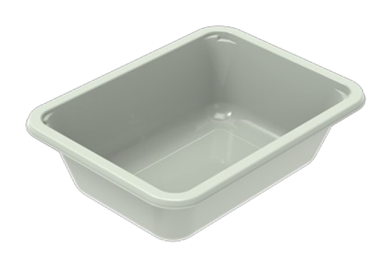

PACK DAY + 1 YEAR
NON- MAP Pack

Tray: EVOLVE CPET 2171-1F FROST (PKRHP001-14) |  |  |  |  | Parsley Sweet Potato Mash (MC) (GFF366R): 160g
Film: K Peel 3G 25µm (275mmX1000lm)-PKKMP001-04
STEP 3 |  |  |  |  | STEP 4

Diced Lemon and Garlic Chicken IQF (High Welfare)RMHAR006-02-: 70g |  |  |  |  | Cacciatore Sauce (GFF375R) 170g |  |  | TOTAL WEIGHT: 400g

ALLERGY ALERT: NONE

